Front Page
 | 1 | How to |  |  |  | Control No.
 | 2 | Standard |  |  |  | DOC-ARD-PDS-000
 | 3 | Check sheet
Confidential
 | 4 | Format
 | 5 | Guide line
 | ⑥ | Project Document
 | 7 | Other :

 | Project Design Specification Model : Project Name: BMW - AUTOMOTIVE USB CHARGER

Contents |  |  |  | Note / Related Document
1. Circuit Specification
2. Appendix
3. Estimate cost

Revision History
No. | Change Date |  | Cause |  |  | Issued | Approved
00 | 30/10/2026 |  | NEW |  |  | Rattakiat Ch

 |  |  |  |  | Issued | Checked | Approved
 |  |  |  |  | In charge | MG | GM
 |  |  |  |  | Rattakiat | Krissada | Imabeppu

AMPAS R&D Co.,Ltd.

 |  |  |  |  |  | Effective 07/01/2024
 |  |  | Confidential : Property of AMPAS R&D Co.,Ltd. - Duplication prohibited |  |  |  |  | Page.1

CIRCUIT SPECIFICATION
CIRCUIT SPECIFICATION |  |  |  | PRODUCT NAME | BMW - AUTOMOTIVE USB CHARGER | REVISION |  | Rev.00 | APPROVED BY | CHECKED BY | ISSUED BY
 |  |  |  |  |  | ISSUED BY |  | AMPAS R&D | K.Imabeppu | Krissada C. | Rattakiat Ch.
 |  |  |  |  |  | ISSUE DATE |  | 2026-10-30
Contents in this sheet is under consideration. Circuit spec have possibility to change. |  |  |  |  |  | NAME |  | CIRCUIT ASSY
 |  |  |  |  |  | PURPOSE |  | ESTIMATION

1. LOAD SPEC |  |  | 5. PARTS LIST
ITEMS |  | CONTENTS | REFERENCE NAME | QTY | NAME | LEAD TYPE | MANUFACTURER | MODEL No. | RATED VALUE | REMARKS
STYLE |  | - | C1 | 1 | CAPACITOR | SMD | Nichicon | UUD1H470MCL1GS | 47µF/50V | Al electrolytic; 6.3x7.7mm; ±20%; 105°C
MANUFACTURER |  | - |  |  |  |  | Yageo Group | A780EN476M1HLAS050 | 47µF/50V | Hybrid polymer; ±20%; 125°C; AEC-Q200
PART NUMBER |  | - | C2 | 1 | CAPACITOR | SMD | Murata | GCM31CD71H106KE36K | 10µF/50V | MLCC; 1206; X7T; ±10%; AEC-Q200
TOTAL QUANTITY |  | - |  |  |  |  | TDK | CGA5L1X7R1H106K160AC | 10µF/50V | MLCC; 1206; X7R; ±10%; AEC-Q200
FUNCTION |  | - | C3, C5, C7, C8 | 4 | CAPACITOR | SMD | TDK | CGA3E2X7R1H104M080AA | 100nF/50V | MLCC; 0603; X7R; ±20%; AEC-Q200
BIN OF LED | BRIGHTNESS | - |  |  |  |  | Murata | GCJ188R71H104KA12D | 100nF/50V | MLCC; 0603; X7R; ±10%; 50VDC
 | WAVELENGTH | - | C4, C6 | 2 | CAPACITOR | SMD | TDK | CGA5L1X7R1H106K160AC | 10µF/50V | MLCC; 1206; X7R; ±10%; AEC-Q200
 | FORWARD VOLTAGE | - | C9, C10, C_BUS1 | 3 | CAPACITOR | SMD | TAIYO YUDEN | TMK105 BJ224MVHF | 220nF/25V | MLCC; 0402; X5R; ±20%; -55/+85°C
NOTE |  | - |  |  |  |  | TDK | CGA2B3X7R1E224M050BE | 220nF/25V | MLCC; 0402; X7R; ±20%; AEC-Q200
 |  |  | C11 | 1 | CAPACITOR | SMD | Murata | GRT155R61E225KE13D | 2.2µF/25V | MLCC; 0402; X5R; ±10%; 25VDC
ITEMS |  | CONTENTS | C12 | 1 | CAPACITOR | SMD | TAIYO YUDEN | TMK105B7104KVHF | 100nF/25V | MLCC; 0402; X7R; ±10%; -55/+125°C
STYLE |  | - |  |  |  |  | TDK | CGA2B3X7R1E104K050BB | 100nF/25V | MLCC; 0402; X7R; ±10%; AEC-Q200
MANUFACTURER |  | - | C14 | 1 | CAPACITOR | SMD | Murata | GRM188R61A105KA61D | 1µF/10V | MLCC; 0603; X5R; ±10%; -55/+85°C
PART NUMBER |  | - |  |  |  |  | TDK | CGA3E2X5R1A105K080AA | 1µF/10V | MLCC; 0603; X5R; ±10%; AEC-Q200
TOTAL QUANTITY |  | - | C_OUT1 - C_OUT5 | 5 | CAPACITOR | SMD | Murata | GRT31CC71E226ME13K | 22µF/25V | MLCC; 1206; X7S; ±20%; AEC-Q200
FUNCTION |  | - | J2 | 1 | CONNECTOR | SMD | Molex | 219320-0001 | - | USB Type-C; vertical; H 8.8mm
BIN OF LED | BRIGHTNESS | - | L1 | 1 | INDUCTOR | SMD | Coilcraft | XAL6060103MEC | 10µH | Shielded molded inductor; ±20%; AEC-Q200
 | WAVELENGTH | - | L_EMI1 | 1 | INDUCTOR | SMD | TAIYO YUDEN | MDMK4040T1R0MFV | 1µH | Wirewound; 4x4x1.2mm; ±20%; 3.5A
 | FORWARD VOLTAGE | - |  |  |  |  | Coilcraft | XAL4020-102MEC | 1µH | Shielded molded; ±20%; 9.6A; 14.6mΩ
NOTE |  | - | NTC1 | 1 | THERMISTOR NTC | SMD | Murata | NCU18WF104F6SRB | 100kΩ | NTC; 0603; R25 ±1%; B25/50=4250K
 |  |  | P1 | 1 | CONNECTOR | TBD | TBD | TBD | TBD | Power input connector; model/pinout TBD
ITEMS |  | CONTENTS | R1 | 1 | RESISTOR | SMD | Yageo Group | AF0603FR-07100KL | 100kΩ/0.1W | Thick-film resistor; 0603; ±1%; 0.1W
STYLE |  | - |  |  |  |  | Vishay | CRCW0603100KFKEC | 100kΩ/0.1W | Thick-film resistor; 0603; ±1%; 0.1W
MANUFACTURER |  | - | R2 - R7, R_NTC1, R_SET1 | 8 | RESISTOR | SMD | ROHM | MCR01SMQPJ000 | 0Ω | Thick-film jumper; 0402; AEC-Q200
PART NUMBER |  | - |  |  |  |  | KOA Speer | RK73Z1ERTTP | 0Ω | Chip jumper; 0402 (1005); zero-ohm
TOTAL QUANTITY |  | - | R_BUS1 | 1 | RESISTOR | SMD | KOA Speer | SG73P2ATTD101J | 100Ω | Pulse/surge resistor; 0805; ±5%; 0.25W
FUNCTION |  | - | R_SENSE1 | 1 | RESISTOR | SMD | Yageo Group | PE1206FRM7W0R015L | 15mΩ | Metal-foil shunt; 1206; ±1%; 0.5W
BIN OF LED | BRIGHTNESS | - | TVS1 | 1 | ZENER DIODE | SMD | Nexperia | BZX84J-C6V2,115 | 6.2V/550mW | Zener; SOD323F; ±5%; AEC-Q101
 | WAVELENGTH | - | U1 | 1 | MOSFET | SMD | Vishay | SQ4917CEY-T1_GE3 | 60V/8A | Dual P-MOS; SO-8; 48mΩ @ VGS=-10V
 | FORWARD VOLTAGE | - | U2 | 1 | USB INTERFACE IC | SMD | Texas Instruments | TPS25833QWRHBRQ1 | 5V/3.5A | USB-C/BC1.2; sync buck; VQFN-32; VIN 36V
NOTE |  | - | ZD1 | 1 | ZENER DIODE | SMD | onsemi | SZMMSZ5246ET1G | 16V/500mW | Zener; SOD-123; ±5%; AEC-Q101
 |  |  |  |  |  |  | Vishay | MMSZ5242B-HE3_A-08 | 12V/500mW | Zener; SOD-123; ±5%; automotive
 |  |  | EMI SHIELD | 1 | EMI SHIELD | TBD | TBD | TBD | TBD | EMI shield cover; material and size TBD
2. PCB SPEC |  |  | PCB1 | 1 | PCB | - | TBD | TBD | FR-4 / 1.6 mm
ITEMS |  | CONTENTS
COPPER FOIL | LAYER | DOUBLE-SIDED
 | THICKNESS | 35µm
MANUFACTURER |  | ANY (for automotive use)
MATERIAL |  | FR-4, Tg 130-150°C
BOARD THICKNESS |  | 1.6 mm | 6.COMBINATION OF RESISTANCE VALUE |  |  |  |  | 7.FUNCTION TEST SPEC
PLATING THICKNESS OF THROUGH HOLE |  | > 15µm
COPPER FOIL SURFACE TREATMENT |  | OSP or HASL (lead-free) | Resistance Value should be changed depending on the combination of |  |  |  |  | To check the total current of circuit assy after mounting and soldering all the parts.
SOLDER RESIST | LAYER | DOUBLE-SIDED | Brightness Group and Forward Voltage Group of LED. |  |  |  |  | 1. Input the voltage to Circuit assy by power supply
 | COLOR | GREEN | EMS supplier needs to manage the LED BIN and Resistance value. |  |  |  |  | 2. Measure the total current (by Digital multimeter , Ampere meter etc.)
SILK SCREEN | LAYER | DOUBLE-SIDED |  |  |  |  |  | 3. Voltage and target current range are specified in Drawing
 | COLOR | WHITE |  |  |  |  |  | *Input Voltage : 12 V
APPLICABLE STANDARD |  | IPC-A-600, CLASS 2 |  |  |  |  |  | *Target of output current : 3 A max
GERBER FILE NAME |  |  |  |  |  |  |  | *Output Voltage : 5 V

 |  |  |  |  |  |  |  | (Note)
 |  |  |  |  |  |  |  | * No need to measure automatically
3. SOLDER SPEC |  |  |  |  |  |  |  | * No need to record the result of current
ITEMS |  | CONTENTS
Solder | MATERIAL | Sn-3.0Ag-0.5Cu (Pb Free)
 | MANUFACTURER | Any (used for Automotive)

4. PART MOUNTING SPEC
ITEMS |  | CONTENTS
AI PART MOUNTING SIDE |  | TOP-SIDE
PART POSITION (AI) | LED | TOP-SIDE
 | ELECTRICAL PART | TOP-SIDE
 | CONNECTOR | N/A
PART POSITION (MI) | TERMINAL | N/A
 | WIRE HARNESS | BOTTOM-SIDE
 | ELECTRICAL PART | N/A
 | CONNECTOR | N/A
APPLICABLE STANDARD |  | IPC-A-610 , CLASS 3

8. PCB SHAPE & SIZE |  |  |  |  |  |  |  | 9. METAL PART , MANUAL SOLDERING & PROCESSING
 |  |  |  |  |  |  | unit : [mm] | 1. Metal part

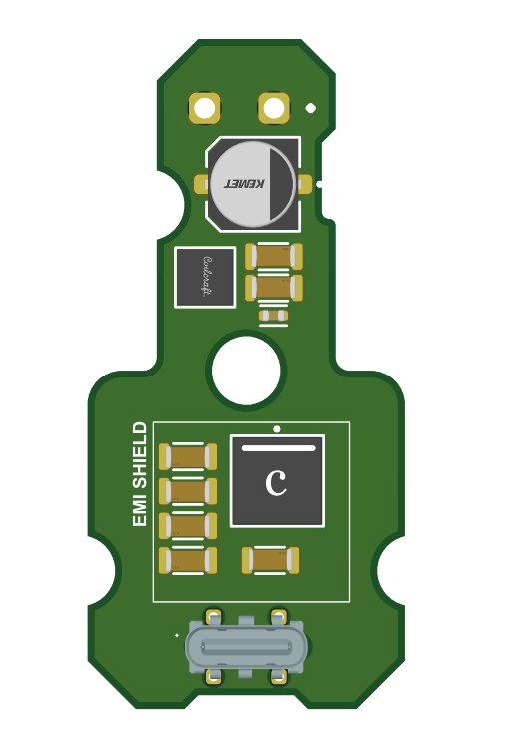
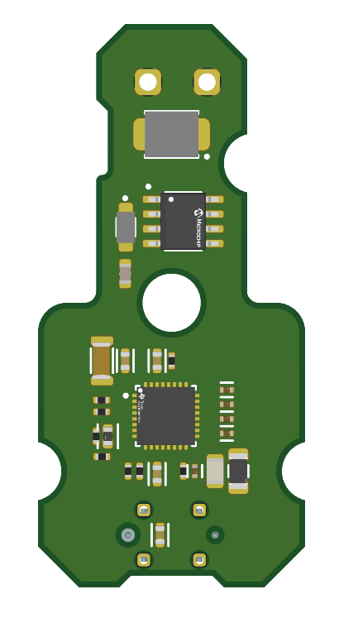

 |  |  |  |  |  |  |  | 2. Manual Insert
 |  |  |  |  |  |  |  | Wire harness should be inserted to PCB 2 points on BOTTOM SIDE

48.5
 |  |  |  |  |  |  |  | 3. Manual Soldering
 |  |  |  |  |  |  |  | The quotation shall include manual soldering of the USB
 |  |  |  |  |  |  |  | and power input connectors at two locations on the TOP SIDE of the PCB.
USB Connector Soldering Location
Input Connector Soldering Location

 |  |  |  |  |  |  |  | 4. Circuit Assy Separating process
 |  |  |  |  |  |  |  | Use Cutting Machine (Not allowed separating by hand)

23
 |  |  |  |  |  |  |  | 5. PCB Outline processing
 |  |  |  |  |  |  |  | NC , Routing (Not allowed Press by mould)
TOP VIEW
BOTTOM VIEW
 |  |  |  |  |  |  |  | 6. Conformal coating
 |  |  |  |  |  |  |  | N/A

10. SCHEMATIC |  |  |  |  |  |  |  | 11.CONDITIONS & NOTES

See full schematic in Appendix. |  |  |  |  |  |  |  | 1. Production volume , Running year will be informed from AMPAS Sales or Purchasing

 |  |  |  |  |  |  |  | 2. Quotation is excluded the VAT 7%

 |  |  |  |  |  |  |  | 3. If possible, estimate the tooling cost for mass production as below
 |  |  |  |  |  |  |  | - PCB Set up charge
 |  |  |  |  |  |  |  | - PCB E-Test Fixture
 |  |  |  |  |  |  |  | - Stencil
 |  |  |  |  |  |  |  | - ICT Fixture
 |  |  |  |  |  |  |  | - FCT Fixture
 |  |  |  |  |  |  |  | - Jig for PCB Cutting
 |  |  |  |  |  |  |  | - Jig for harness Soldering

 |  |  |  |  |  |  |  | 4. This is Non BOI Project

 |  |  |  |  |  |  |  | 5. This project have program development cost

 |  |  | Confidential : Property of AMPAS R&D Co.,Ltd. - Duplication prohibited |  |  |  |  |  |  |  | P.1/1

Appendix
APPENDIX |  | PRODUCT NAME | BMW - AUTOMOTIVE USB CHARGER | REVISION | Rev.00 | APPROVED BY | CHECKED BY | ISSUED BY
 |  |  |  | ISSUED BY | AMPAS R&D | K.Imabeppu | Krissada C. | Rattakiat Ch.
 |  |  |  | ISSUE DATE | 2026-10-30
Contents in this sheet is under consideration. Circuit spec have possibility to change. |  |  |  | NAME | CIRCUIT ASSY
 |  |  |  | PURPOSE | ESTIMATION

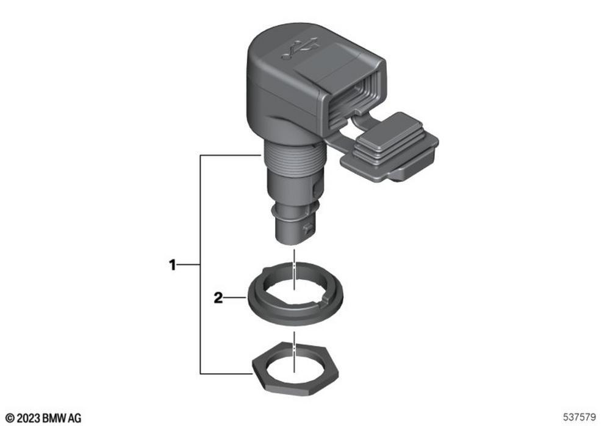
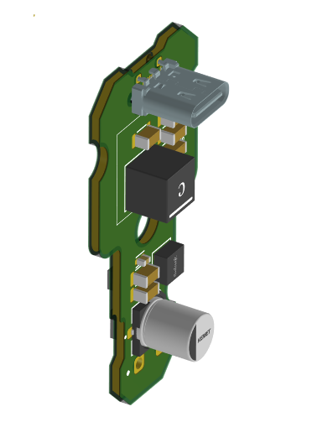

 | Confidential : Property of AMPAS R&D Co.,Ltd. - Duplication prohibited |  |  |  |  |  |  | P.1/1

